School Risk Assessment
SCHOOL RISK ASSESSMENT TEMPLATE
SCHOOL NAME | SCHOOL ADDRESS |  |  |  |  | POINT OF CONTACT |  |  | RISK ASSESSOR NAME |  | DATE

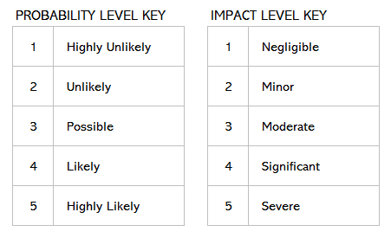
Rate Probability and Impact Levels 1 (LOW) to 5 (HIGH) |  |  |  | ––––––– DO NOT ALTER –––––––
CATEGORY / RISK | ASSOCIATED HAZARD(S) | PROBABILITY LEVEL | IMPACT LEVEL | RISK LEVEL | RATING | CURRENT CONTROL MEASURES | COMMENTS | FURTHER ACTION TO MINIMIZE RISK | ASSIGNED TO | DATE TO BE ACTIONED | STATUS | LEVEL | RATING MATRIX |  |  |  |  |  | RATING_NO | RATING_NAME
SCHOOL EXTERIOR AND RECREATIONAL AREAS |  |  |  |  |  |  |  |  |  |  |  | 1 | 5 | 5 | 10 | 15 | 20 | 25 | 1 | LOWEST
Student drop-off and pick-up |  |  |  |  |  |  |  |  |  |  |  | 2 | 4 | 4 | 8 | 12 | 16 | 20 | 2 | VERY LOW
Parking lot lighting |  |  |  |  |  |  |  |  |  |  |  | 3 | 3 | 3 | 6 | 9 | 12 | 15 | 3 | LOW
Emergency vehicle access |  |  |  |  |  |  |  |  |  |  |  | 4 | 2 | 2 | 4 | 6 | 8 | 10 | 4 | LOW
Unenclosed play areas |  |  |  |  |  |  |  |  |  |  |  | 5 | 1 | 1 | 2 | 3 | 4 | 5 | 5 | MEDIUM LOW
Play structures |  |  |  |  |  |  |  |  |  |  |  |  |  | 1 | 2 | 3 | 4 | 5 | 6 | MEDIUM LOW
Insufficient number of playground monitors |  |  |  |  |  |  |  |  |  |  |  |  |  |  |  |  |  |  | 8 | MEDIUM
Bleachers need repairs |  |  |  |  |  |  |  |  |  |  |  |  |  |  |  |  |  |  | 9 | MEDIUM
Other 1 |  |  |  |  |  |  |  |  |  |  |  |  |  |  |  |  |  |  | 10 | MEDIUM HIGH
Other 2 |  |  |  |  |  |  |  |  |  |  |  |  |  |  |  |  |  |  | 12 | MEDIUM HIGH
BUILDING ACCESS |  |  |  |  |  |  |  |  |  |  |  |  |  |  |  |  |  |  | 15 | HIGH
Unauthorized entry points to building |  |  |  |  |  |  |  |  |  |  |  |  |  |  |  |  |  |  | 16 | HIGH
Visitors |  |  |  |  |  |  |  |  |  |  |  |  |  |  |  |  |  |  | 20 | VERY HIGH
Emergency personnel |  |  |  |  |  |  |  |  |  |  |  |  |  |  |  |  |  |  | 25 | EXTREME
Unauthorized personnel / trespassers
Other 1
Other 2
PHYSICAL CLIMATE / CULTURE
Bullying
Poor conflict resolution
Insufficient mentorship programs
Insufficient student support services
Other 1
Other 2
COMMUNICATIONS
Inefficient reporting systems
No designated spokesperson for media or parent inquiries
Ambiguous emergency procedures
No established system in place to alert and instruct parents in case of emergency
Other 1
Other 2
OTHER CATEGORY

